Sheet1
 | Document No. |  | Issue No. | Issue Date |  | Review and Replace Date |  |  | Authorised By
 | GFF564MC |  | 1 | 17.06.2026 |  | New doc
 | Document Title |  | PANANG WITH FRAGRANT RICE 390G- Standard
 |  |  |  |  |  |  |  |  | Magda Shah
Document amendments reason for change | New doc |  | Page 1 of 1 |  | Previous Issue Date |  | New Doc |  | Uncontrolled copy unless signed original

CCPANR2-R20TSE |  | SIMMER | PANANG WITH FRAGRANT RICE 390G- Standard
STEP 1 |  |  |  | STEP 2
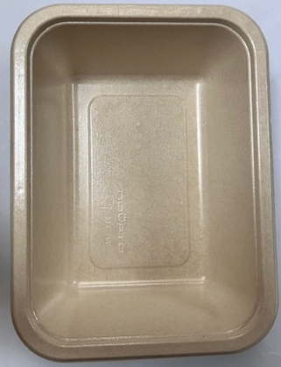 |  |  |  | 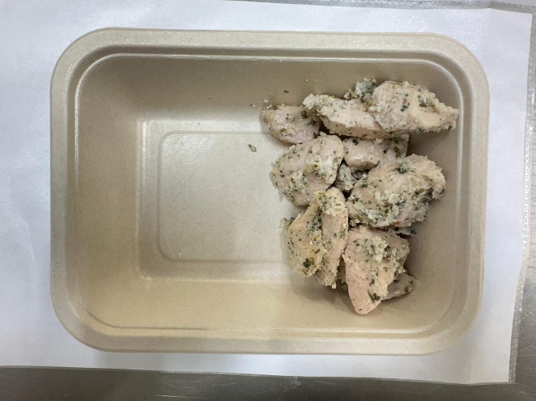
Tray: B187/45 Cuisine Kraft Tray- (PKNOV001-02) |  |  |  | Coriander Marinated Chicken - (Simmer)-GFF560R: 110g
Film: K-Peel EIPS N 45 (250mmX1000)-PKKMP001-09
STEP 3 |  |  | STEP 4 |  |  |  |  | STEP 5
New Recipe
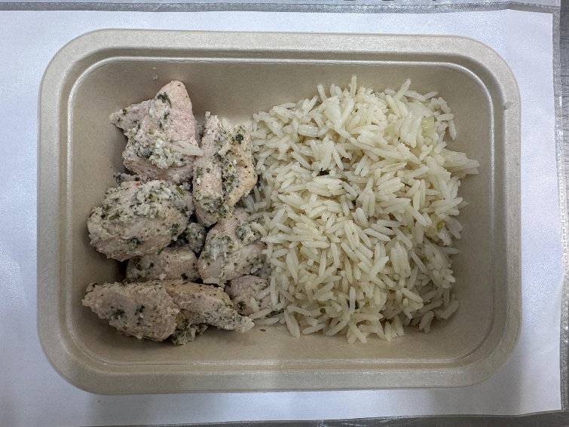 |  |  | 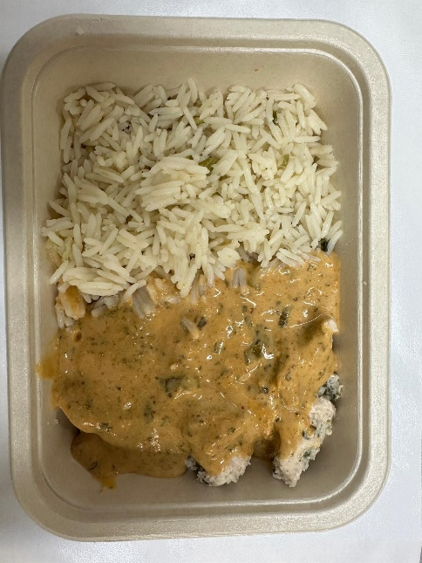 |  |  |  |  | 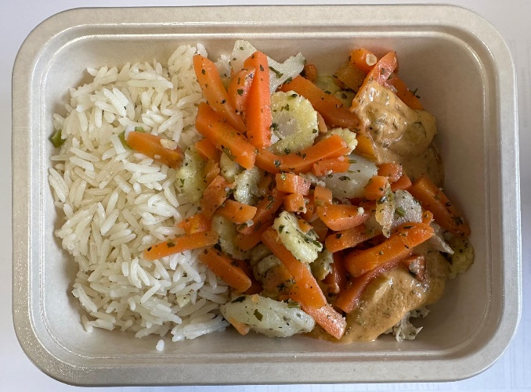
New Recipe
Fragrant Rice -(Simmer) -GFF565R: 120g |  |  | Panang Sauce ( Simmer) GFF562R : 80g |  |  |  |  | Steamed Mixed Veg-(Simmer)- GFF563R: 80g
Total Weight 390g- Standard Product
ALLERGY ALERT: Barley,Crustacean, Wheat, Soya, Fish, Sesame

